Sheet1
 | ID: | Tester Nmae: | Email: | Website: |  | Sprint: | Environment: | Browser:
ID | Bug Description | Test Data | Preconditions | Test Steps | Expected Result | Actual Result | Severity | Priority | Document | Screenshots
Bug-001 | Missing product images when hovering over color options | Product: "Macro Lightweight Active Hoodie" | User is on product details page | 1. Navigate to Men > Tops > Hoodies 2. Click Product 3. Hover over different color options | Image changes to selected color hovering over color options | Product image does not change when hovering over color options | Medium | Medium | UI/ UX Issue | 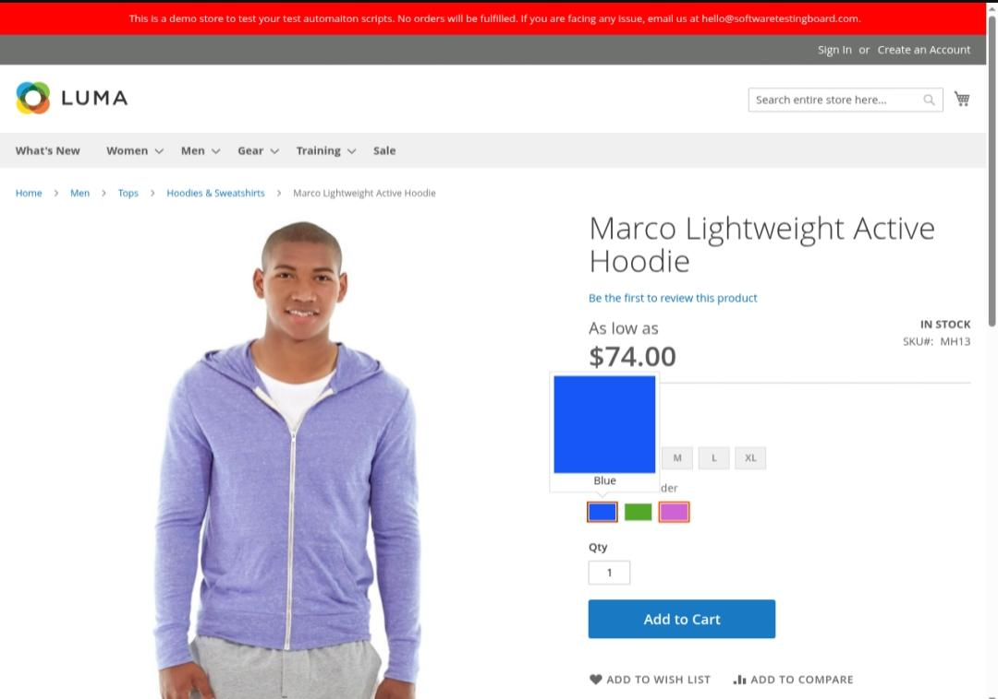 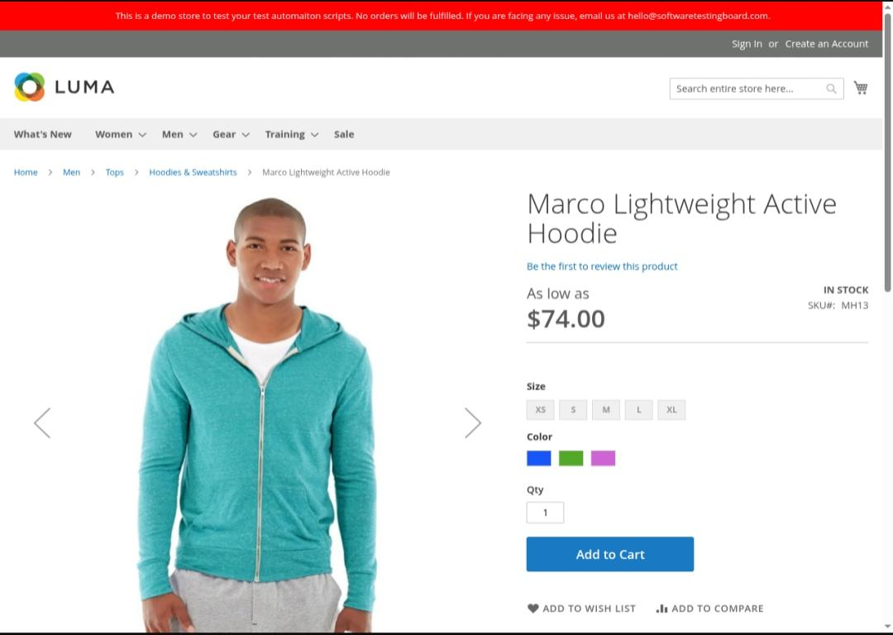
Bug-002 | Validation error message not cleared after selecting required options | Product: Marco Hoodie | User is on product page | 1. Click Add to Cart without options 2. Observe validation error messages 3. Select options | Error message disappears | Validation error messages remain visible even after selecting required options, | Low | Low | Functional Issue | 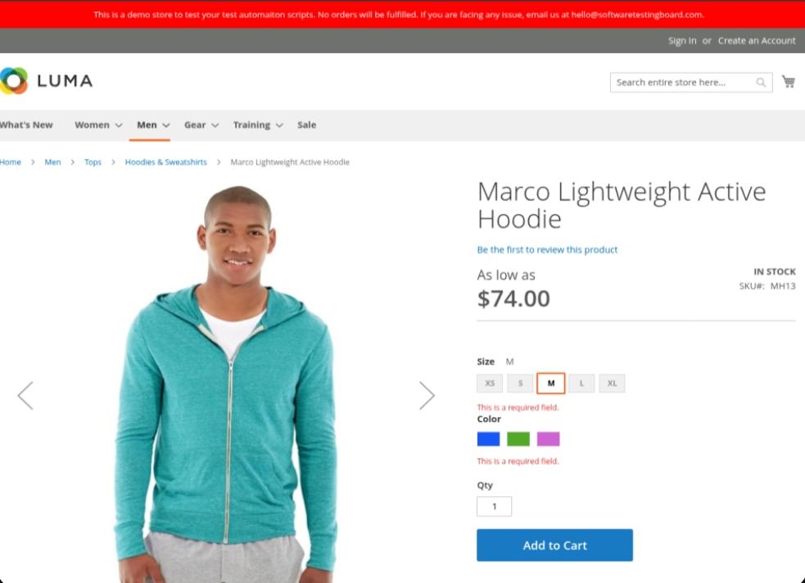
Bug-003 | Inconsistent product grid alignment in Men's Tees category | Men's Tees page | User is on Men > Tops > Tees | 1. Navigate to Tees 2. Observe grid | All products aligned | Some products misaligned | Low | Low | UI/UX Issue | 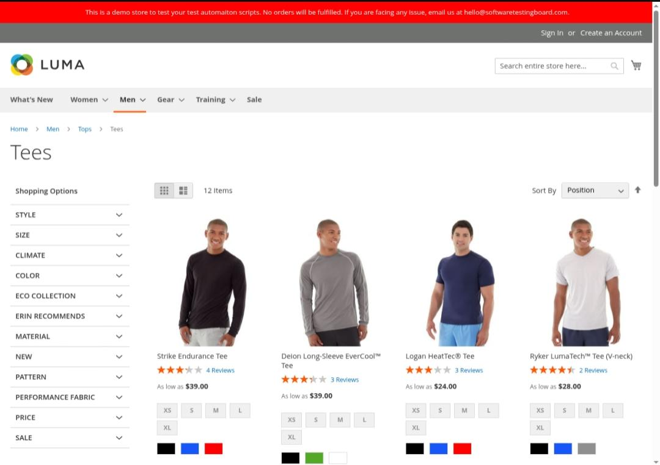
Bug-004 | product review dataes show, Incorrect year r (2023 instead of current year) | Product: Strike Endurance Tee | User views product reviews | 1. Navigate to Men > Tops > Tees\n 2. Click on Strike Endurance Tee\n 3. Click on Reviews tab\n 4. Observe review dates | Review Dates Should show the, current year or accurate historical dates | All review Dates show3\11\ 2023 which, appears to be hardcoded | Low | Low | Content Issue | 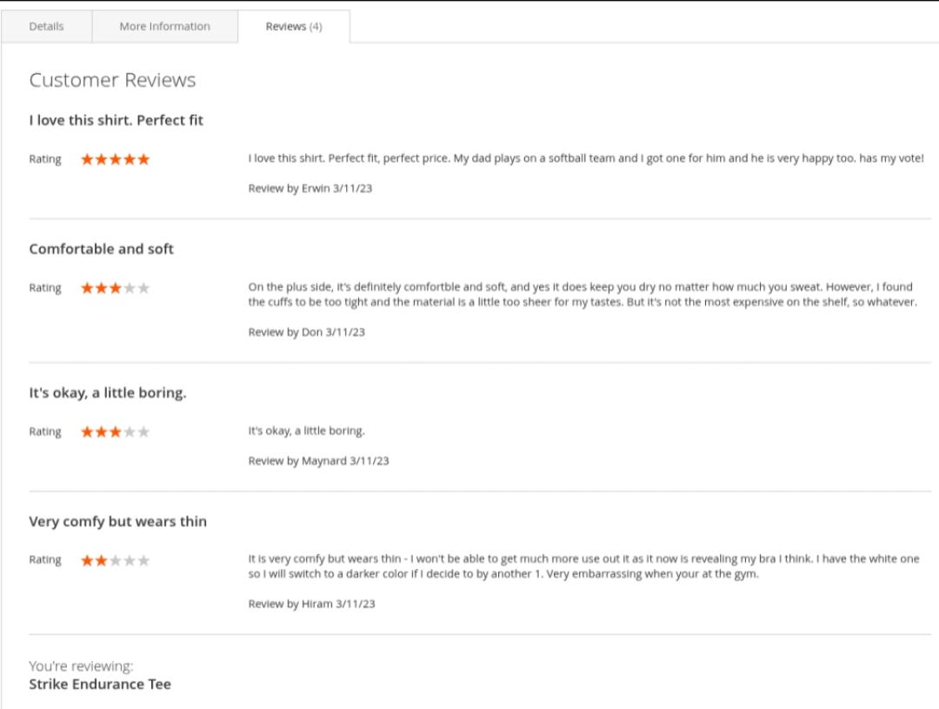
Bug-005 | Filter options collapse after applying a single filter | Men's Shorts page | User is on Men > Bottoms > Shorts page | 1. Navigate to Men > Bottoms > Shorts\n 2. Click to expand a filter category (e.g., Size)\n 3. Select a filter option\n 4. Try to apply another filter | Filter categories should remain expanded to allow multiple filter selections | Filter categories collapse after selecting a single option, requiring extra clicks to apply multiple filters | Low | Medium | UI/UX Issue | 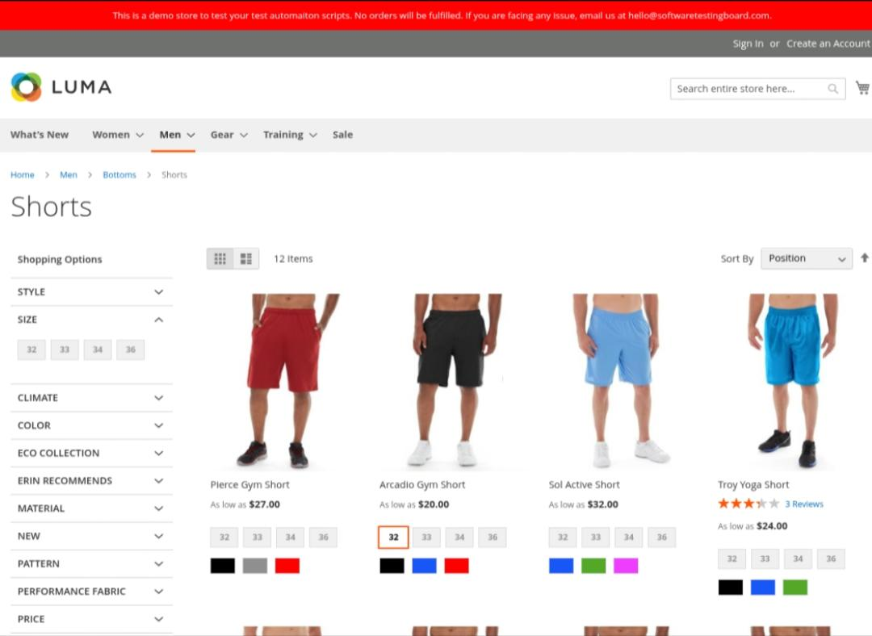
Bug-006 | Add to Cart button remains enabled when product is out of stock", | Various products in Men's section | User views out-of-stock product | 1. Open produc 2. Check Add to Cart button | Add to Cart button remains enabled when product is out of stock | Add to Cart button remains enabled for out of stock product, allowing users to attempt, adding unavailable items | Medium | High | Functional Issue
Bug-007 | Search terms not highlighted | Search term: "men hoodie" | User uses search bar | 1.Enter 'men hoodie' in the search box\n 2.Press Enter or click Search button 3.Check search results | Matching terms highlighted | Search results do not highlight matching terms, making it difficult to identify relevance | Low | Low | UI/UX Issue
Bug-008 | Inconsistent breadcrumb navigation across Men's section | Various pages in Men's section | User navigates Men's section | 1. Browse categories in men's 2. Check breadcrumbs | Full path displayed from Home to current page | Some pages show incomplete breadcrumb paths or inconsistent formatting | Low | Low | UI/UX Issue
Bug-009 | product quantity selector allows Negative values | Product: Marco Hoodie | User is on product page | 1.Navigate to product details page 2. Enter "-2" in quantity field 3. Click Add to Cart | System blocks negative values | System accepts negative quantity values, potentially causing errors in the shopping cart | Medium | Medium | Validation Issue
Bug-010 | Slow loading of product images in Men's section | Men's category pages | User browses with standard internet | 1. Navigate to different product category pages in Men's section 2. Observe image loading time | Images load quickly | Slow image loading | Medium | Medium | Performance Issue

